Crocs
CROCS
(In USD Millions Except Per Share Data)

Basic Details
Analyst Name
Updation Date |  |  |  |  | 27-Jan-25
Ticker |  |  |  |  | CROX
Latest Annual |  |  |  |  | 2024-12-31
Latest Quarter |  |  |  |  | 31-09-2024
Reported Currency |  |  |  |  | USD
Tax Rate |  |  |  |  | 27%

Enterprise Value |  | Class A | Class B | Class C
Per Share Price |  | 103.50
Shares Outstanding Basic |  | 59
Shares Outstanding Diluted |  | 65
Market Cap |  | 6,725 |  |  | 6,725
Minority Interest
+ Pref. Share Capital |  |  |  |  | -
 | Total Pref. Capital (Other Than Convertible) in Balance Sheet |  |  | -
 | Add: Convertible Pref Not Converted to Common Equity |  |  | -
+ Debt |  |  |  |  | 1,418
 | : Total Debt (Other Than Convertible) Reported in B/S |  |  | 1,418
 | Add: Convertible Debt not Converted to Common Equity |  |  | -
+ Debt Equivalents
 | Unfunded Pension Obligations
 | Capitalised Value of Operating Lease
- Cash & Cash Equivalents |  |  |  |  | 180
Total Enterprise Value |  |  |  |  | 7,962
Non Operating Assets |  |  |  |  | 1,046
Operating EV |  |  |  |  | 6,916
Weighted Average Share Price of All Classes of Share |  |  |  |  | 103.50

Calculation of Dilution

 | Stock options/ESoPS/Warrants/RSUs/PSU
 |  | Exercise |  | Notional |  |  | Net
 | Units Outstanding | Price | ITM? | Shares Issued | Cash | Buyback | Dilution
WARRANTS | 8.718 | 6.98 | Yes | 8.7 | 61 | 3.1 | 5.6
 |  |  | Yes | - | - | - | -

 |  |  |  |  |  |  | 5.6

 | Convertible Debt / Pref shares
 |  |  |  | Conversion Price |  | Share Dilution
 | Nature | Face Value | BV |  | Debt/Pref
 | CONVERTIBLE Pref shares |  |  | 0.00 | 1.00

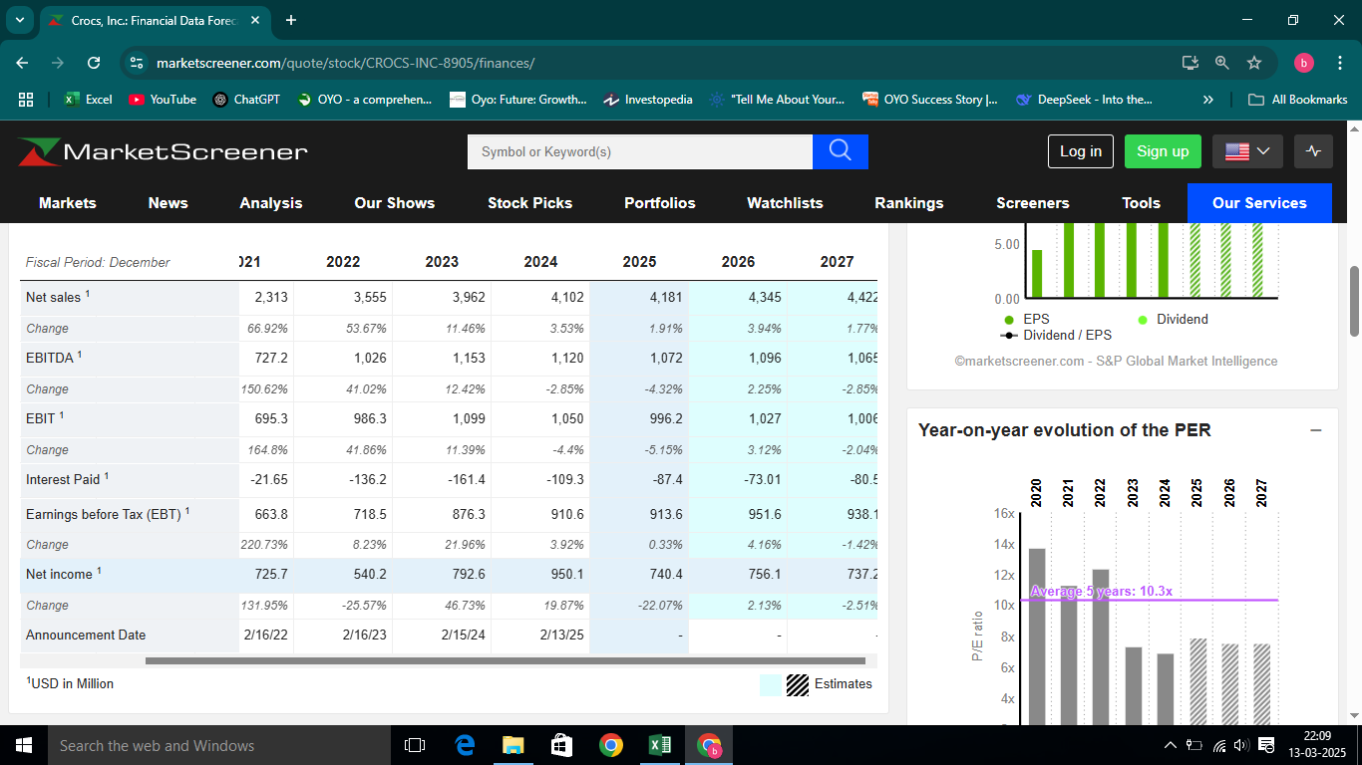
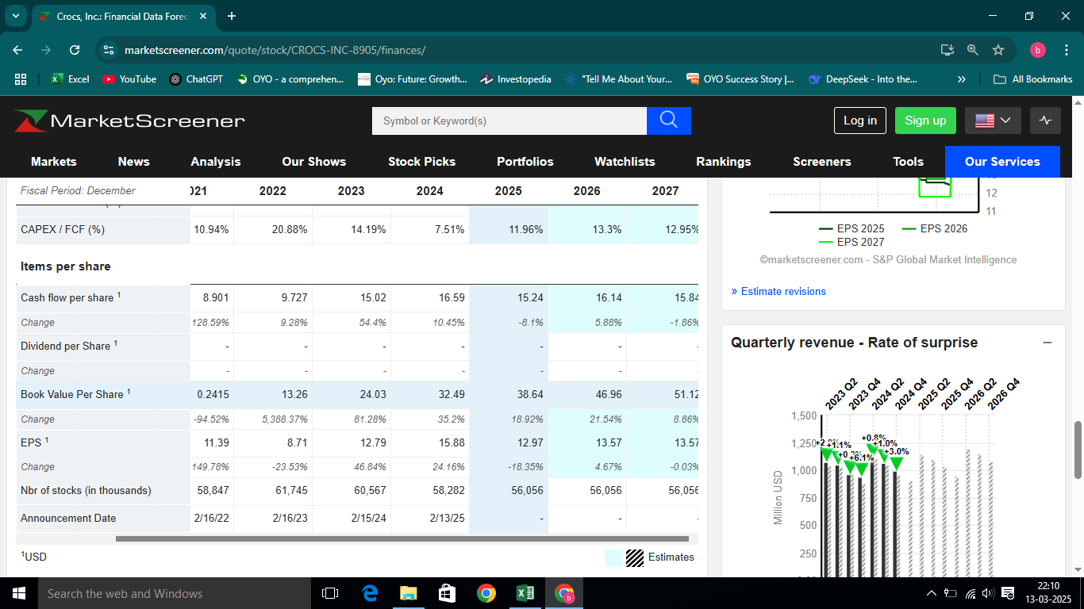
 |  |  |  |  |  |  | Dec-24 |  |  |  | Estimates
Key Financials |  |  |  |  |  |  | Annual | Crt. YTD | Pr. YTD | LTM | FY1 | FY2 | FY3 | CAGR
 |  |  |  |  |  |  | 12M | 6M | 6M |  | 2024-12-31 | 2025-12-31 | 2026-12-31
Reported Sales |  |  |  |  |  |  | 4,102 |  |  | 4,102 | 4,102 | 4,181 | 4,345 | 1.94%

Reported EBIT/Operating Income |  |  |  |  |  |  | 1,022 |  |  | 1,022
Add/Less: Exceptional/No-Operating Items reported above EBIT |  |  |  |  |  |  | 111 | - | -
Adjusted EBIT |  |  |  |  |  |  | 911 |  |  | 911 | 1,050 | 996 | 1,027 | 4.09%
Add: D&A |  |  |  |  |  |  | 70
Adjusted EBITDA |  |  |  |  |  |  | 980 |  |  | 980 | 1,120 | 1,072 | 1,096 | 3.78%

Reported Net Income |  |  |  |  |  |  | 950 |  |  | 950
Add/Less: Exceptional Items reported above EBIT
Add/Less: Exceptional Items reported below EBIT
Less: Tax on Adjustments
Add/Less: Non Tax Deductable Adjustments
Adjusted Net Income |  |  |  |  |  |  | 950
Less: Share of Minority Interest |  |  |  |  |  |  | -
Adjusted Net Income to Common Shareholders of the Company |  |  |  |  |  |  | 950 |  |  | 950 | 950 | 740 | 756 | -7.33%

Diluted Weighted Average No of Shares |  |  |  |  |  |  | 60
Diluted EPS |  |  |  |  |  |  | 15.88 |  |  | 16 | 15.88 | 12.97 | 13.57 | -5.10%
 |  |  |  |  |  |  |  |  |  |  | Source of Estimates: Consensus estimates from market screener as on 10 Sep 2023

DECK
DECKERS BRAND
(In USD Millions Except Per Share Data)

Basic Details
Analyst Name
Updation Date |  |  |  |  | 27-Jan-25
Ticker |  |  |  |  | DECK
Latest Annual |  |  |  |  | 2024-03-31
Latest Quarter |  |  |  |  | 2025-03-02
Reported Currency |  |  |  |  | USD
Tax Rate |  |  |  |  | 27%

Enterprise Value |  | Class A | Class B | Class C
Per Share Price |  | 211.76
Shares Outstanding Basic |  | 26
Shares Outstanding Diluted |  | 26
Market Cap |  | 5,478 |  |  | 5,478
Minority Interest |  |  |  |  | -
+ Pref. Share Capital |  |  |  |  | -
 | Total Pref. Capital (Other Than Convertible) in Balance Sheet |  |  | -
 | Add: Convertible Pref Not Converted to Common Equity |  |  | -
+ Debt |  |  |  |  | 309
 | : Total Debt (Other Than Convertible) Reported in B/S |  |  | 309
 | Add: Convertible Debt not Converted to Common Equity |  |  | -
+ Debt Equivalents
 | Unfunded Pension Obligations |  |  |  | -
 | Capitalised Value of Operating Lease
- Cash & Cash Equivalents |  |  |  |  | 1,502
Total Enterprise Value |  |  |  |  | 4,285
Non Operating Assets |  |  |  |  | 164
Operating EV |  |  |  |  | 4,121
Weighted Average Share Price of All Classes of Share |  |  |  |  | 211.76

Calculation of Dilution

 | Stock options/ESoPS/Warrants/RSUs/PSU
 |  | Exercise |  | Notional |  |  | Net
 | Units Outstanding | Price | ITM? | Shares Issued | Cash | Buyback | Dilution
RSU | 77.8 | 451.8 | N0 | - | - | - | -
PSU | 88.5 | 451.8 | N0 | - | - | - | -

 |  |  |  |  |  |  | -

 | Convertible Debt / Pref shares
 |  |  |  | Conversion Price |  | Share Dilution
 | Nature | Face Value | BV |  | Debt/Pref

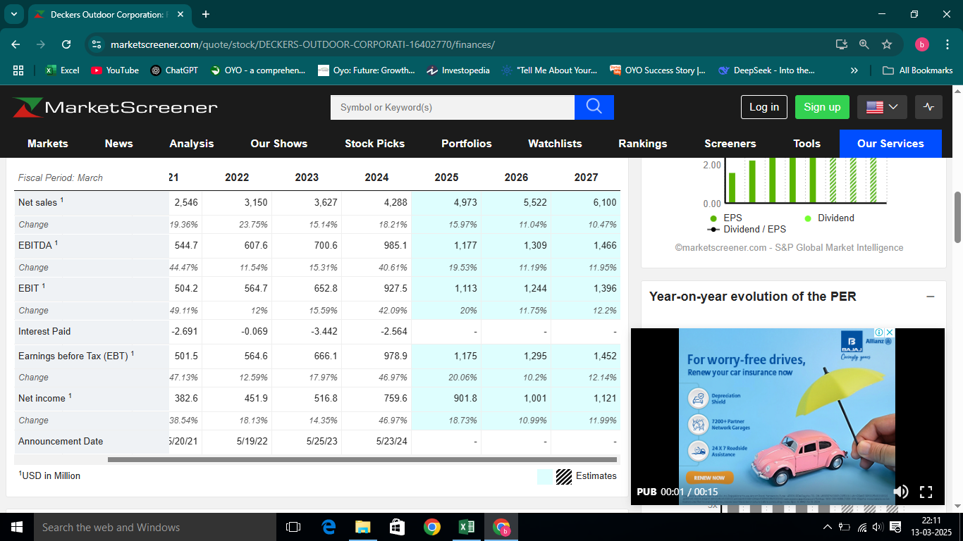
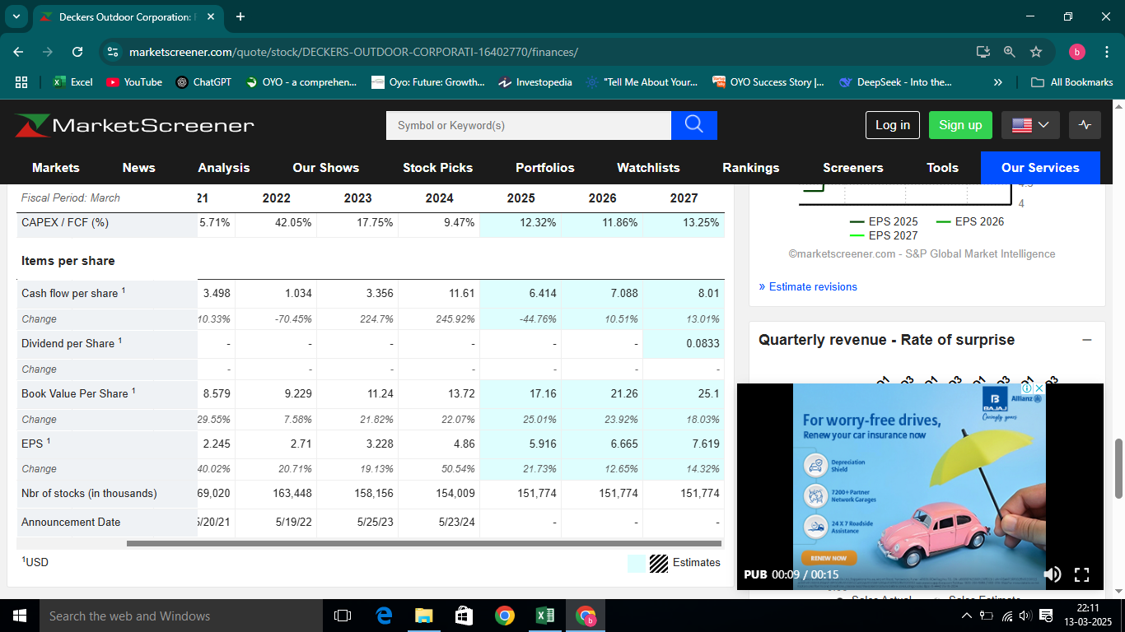
 |  |  |  |  |  |  | DEC | JUNE | JAN |  | Estimates
Key Financials |  |  |  |  |  |  | Annual | Crt. YTD | Pr. YTD | LTM | FY1 | FY2 | FY3 | CAGR
 |  |  |  |  |  |  | 12M | 6M | 6M |  | 2024-12-31 | 2025-12-31 | 2026-12-31
Reported Sales |  |  |  |  |  |  | 4,288 | 3,964 | 3,328 | 4,924 | 4,288 | 4,973 | 5,522 | 8.80%

Reported EBIT/Operating Income |  |  |  |  |  |  | 928 | 1,005 | 783
Add/Less: Exceptional/No-Operating Items reported above EBIT
Adjusted EBIT |  |  |  |  |  |  | 979 | 1,052 | 815 | 1,216 | 928 | 1,113 | 1,244 | 8.31%
Add: D&A |  |  |  |  |  |  | 58 | 51 | 41
Adjusted EBITDA |  |  |  |  |  |  | 1,037 | 1,103 | 856 | 1,284 | 985 | 1,177 | 1,309 | 8.09%

Reported Net Income |  |  |  |  |  |  | 760 | 815 | 632
Add/Less: Exceptional Items reported above EBIT
Add/Less: Exceptional Items reported below EBIT
Less: Tax on Adjustments
Add/Less: Non Tax Deductable Adjustments
Adjusted Net Income |  |  |  |  |  |  | 760 | 815 | 632
Less: Share of Minority Interest |  |  |  |  |  |  | 12 | 5 | 3
Adjusted Net Income to Common Shareholders of the Company |  |  |  |  |  |  | 748 | 810 | 629 | 929 | 760 | 902 | 1,001 | 10.21%

Diluted Weighted Average No of Shares |  |  |  |  |  |  | 26 | 153 | 157
Diluted EPS |  |  |  |  |  |  | 28.71 | 5.30 | 4.01 | 30 | 4.86 | 5.92 | 6.67 | -38.54%
 |  |  |  |  |  |  |  |  |  |  | Source of Estimates: Consensus estimates from market screener as on 10 Sep 2023

Lulu
Lululemon Athlet
(In USD Millions Except Per Share Data)

Basic Details
Analyst Name
Updation Date |  |  |  |  | 27-Jan-25
Ticker |  |  |  |  | LULU
Latest Annual |  |  |  |  | 2024-01-28
Latest Quarter |  |  |  |  | 2024-12-05
Reported Currency |  |  |  |  | USD
Tax Rate |  |  |  |  | 27%

Enterprise Value |  | Class A | Class B | Class C
Per Share Price |  | 395.48
Shares Outstanding Basic |  | 127
Shares Outstanding Diluted |  | 127
Market Cap |  | 50,212 |  |  | 50,212
Minority Interest
+ Pref. Share Capital |  |  |  |  | -
 | Total Pref. Capital (Other Than Convertible) in Balance Sheet |  |  | -
 | Add: Convertible Pref Not Converted to Common Equity |  |  | -
+ Debt |  |  |  |  | 1,881
 | : Total Debt (Other Than Convertible) Reported in B/S |  |  | 1,881
 | Add: Convertible Debt not Converted to Common Equity |  |  | -
+ Debt Equivalents
 | Unfunded Pension Obligations
 | Capitalised Value of Operating Lease |  |  |  | -
- Cash & Cash Equivalents |  |  |  |  | 2,244
Total Enterprise Value |  |  |  |  | 49,849
Non Operating Assets |  |  |  |  | 187
Operating EV |  |  |  |  | 49,662
Weighted Average Share Price of All Classes of Share |  |  |  |  | 395.48

Calculation of Dilution

 | Stock options/ESoPS/Warrants/RSUs/PSU
 |  | Exercise |  | Notional |  |  | Net
 | Units Outstanding | Price | ITM? | Shares Issued | Cash | Buyback | Dilution
WARRENTS | 0.8 | 285.7 | Yes | 0.8 | 224 | 0.6 | 0.2
 | 0.2 | 359.1 | Yes | 0.2 | 80 | 0.2 | 0.0

 |  |  |  |  |  |  | 0.2

 | Convertible Debt / Pref shares
 |  |  |  | Conversion Price |  | Share Dilution
 | Nature | Face Value | BV |  | Debt/Pref

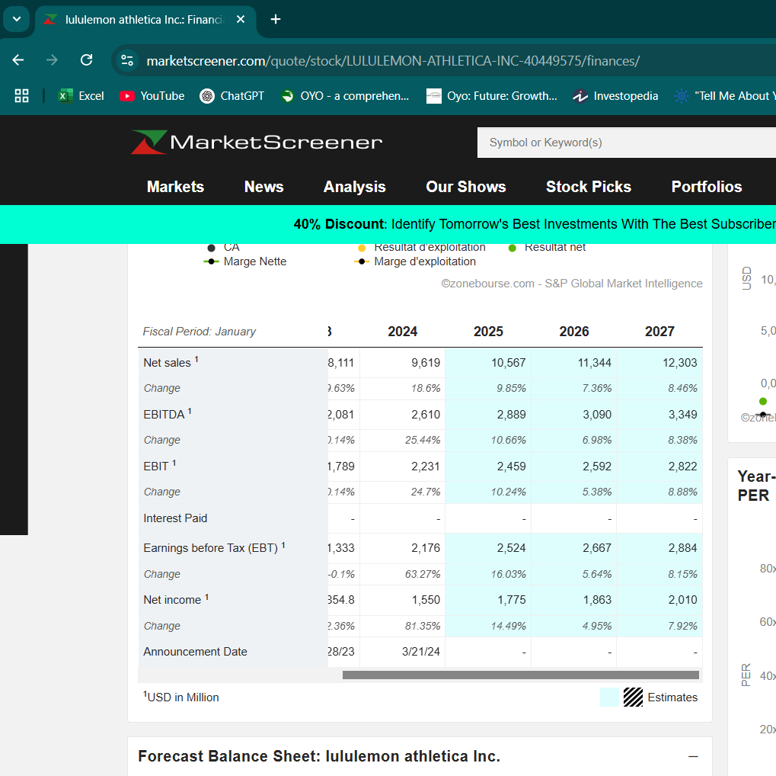
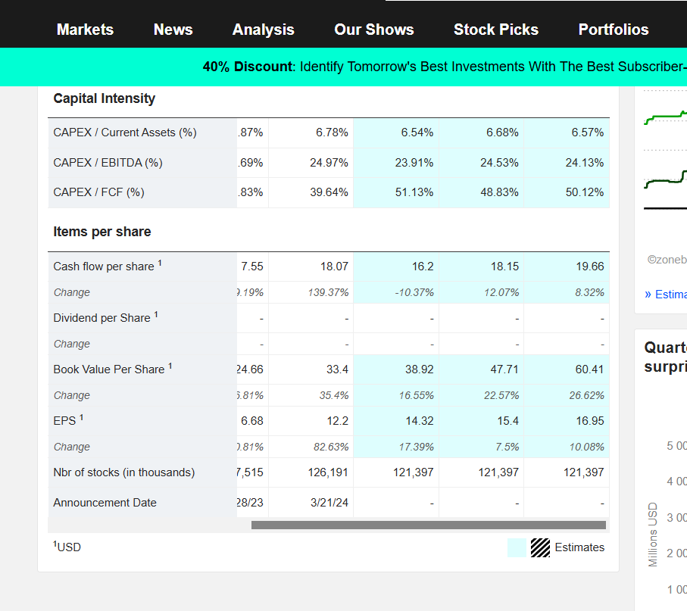
 |  |  |  |  |  |  |  |  |  |  | Estimates
Key Financials |  |  |  |  |  |  | Annual | Crt. YTD | Pr. YTD | LTM | FY1 | FY2 | FY3 | CAGR
 |  |  |  |  |  |  | 12M | 6M | 6M |  | 2024-12-31 | 2025-12-31 | 2026-12-31
Reported Sales |  |  |  |  |  |  | 9,620 | 2,397 | 2,204 | 9,812 | 9,619 | 10,567 | 11,344 | 5.65%

Reported EBIT/Operating Income |  |  |  |  |  |  | 2,133 | 491 | 338 | 2,286
Add/Less: Exceptional/No-Operating Items reported above EBIT |  |  |  |  |  |  | (43) | (14) | (10)
Adjusted EBIT |  |  |  |  |  |  | 2,176 | 504 | 348 | 2,332 | 2,231 | 2,459 | 2,592 | 6.00%
Add: D&A |  |  |  |  |  |  | 80 | 313 | 276
Adjusted EBITDA |  |  |  |  |  |  | 2,256 | 817 | 624 | 2,449 | 2,610 | 2,889 | 3,090 | 11.06%

Reported Net Income |  |  |  |  |  |  | 1,550 | 352 | 249 | 1,653
Add/Less: Exceptional Items reported above EBIT |  |  |  |  |  |  | (43) | (14) | (10)
Add/Less: Exceptional Items reported below EBIT
Less: Tax on Adjustments
Add/Less: Non Tax Deductable Adjustments
Adjusted Net Income |  |  |  |  |  |  | 1,550 | 352 | 249
Less: Share of Minority Interest |  |  |  |  |  |  | 12 | 10 | 76
Adjusted Net Income to Common Shareholders of the Company |  |  |  |  |  |  | 1,538 | 342 | 173 | 1,707 | 1,550 | 1,775 | 1,863 | 6.60%

Diluted Weighted Average No of Shares |  |  |  |  |  |  | 127 | 123 | 127
Diluted EPS |  |  |  |  |  |  | 12.11 | 2.78 | 1.36 | 14 | 12.20 | 14.32 | 15.40 | 8.34%
 |  |  |  |  |  |  |  |  |  |  | Source of Estimates: Consensus estimates from market screener as on 10 Sep 2023

SKX
Skechers
(In USD Millions Except Per Share Data)

Basic Details
Analyst Name
Updation Date |  |  |  |  | 27-Jan-25
Ticker |  |  |  |  | SKX
Latest Annual |  |  |  |  | 2024-12-31
Latest Quarter |  |  |  |  | 2024-10-24
Reported Currency |  |  |  |  | USD
Tax Rate |  |  |  |  | 27%

Enterprise Value |  | Class A | Class B | Class C
Per Share Price |  | 75.48
Shares Outstanding Basic |  | 152
Shares Outstanding Diluted |  | 153
Market Cap |  | 11,533 |  |  | 11,533
Minority Interest |  |  |  |  | 453
+ Pref. Share Capital |  |  |  |  | -
 | Total Pref. Capital (Other Than Convertible) in Balance Sheet |  |  | -
 | Add: Convertible Pref Not Converted to Common Equity |  |  | -
+ Debt |  |  |  |  | 102
 | : Total Debt (Other Than Convertible) Reported in B/S |  |  | 102
 | Add: Convertible Debt not Converted to Common Equity |  |  | -
+ Debt Equivalents
 | Unfunded Pension Obligations
 | Capitalised Value of Operating Lease |  |  |  | -
- Cash & Cash Equivalents |  |  |  |  | 1,117
Total Enterprise Value |  |  |  |  | 10,971
Non Operating Assets |  |  |  |  | 3,806
Operating EV |  |  |  |  | 7,166
Weighted Average Share Price of All Classes of Share |  |  |  |  | 75.48

Calculation of Dilution

 | Stock options/ESoPS/Warrants/RSUs/PSU
 |  | Exercise |  | Notional |  |  | Net
 | Units Outstanding | Price | ITM? | Shares Issued | Cash | Buyback | Dilution
 | 3.1 | 51.8 | Yes | 3.1 | 158 | 2.1 | 1.0
 |  | - | Yes | - | - | - | -

 |  |  |  |  |  |  | 1.0

 | Convertible Debt / Pref shares
 |  |  |  | Conversion Price |  | Share Dilution
 | Nature | Face Value | BV |  | Debt/Pref

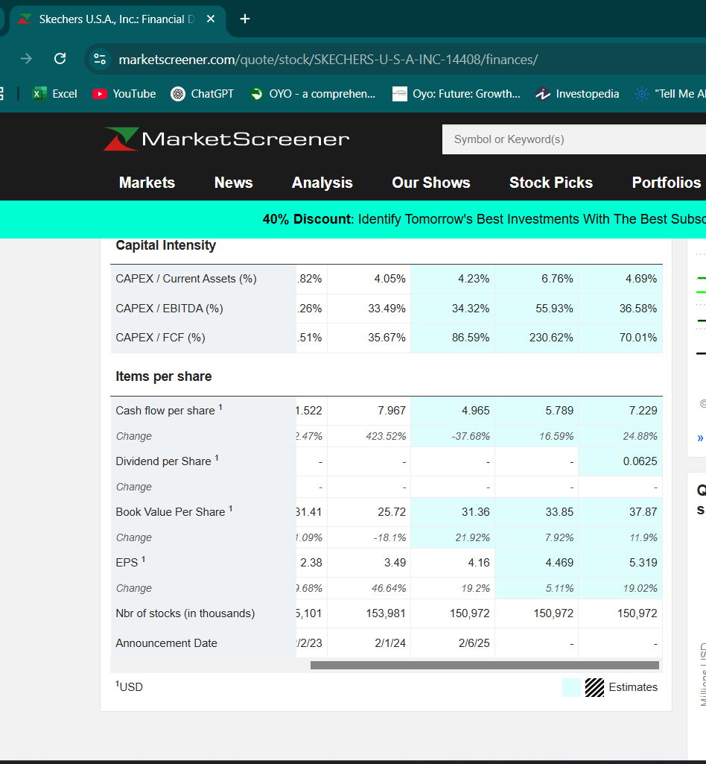
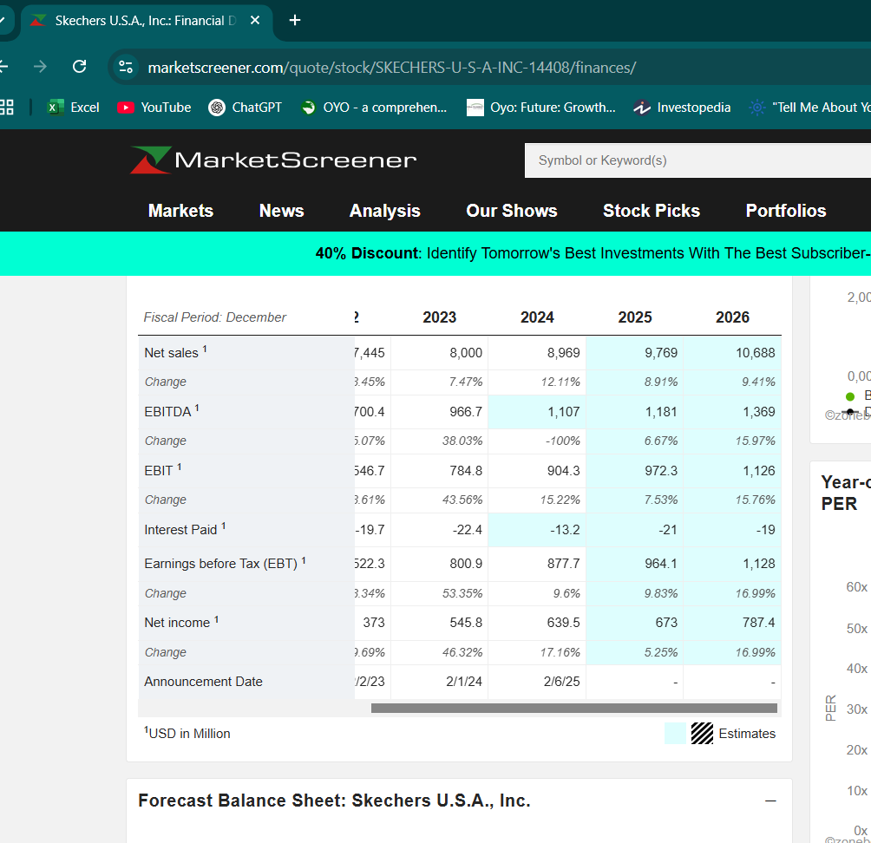

 |  |  |  |  |  |  |  |  |  |  | Estimates
Key Financials |  |  |  |  |  |  | Annual | Crt. YTD | Pr. YTD | LTM | FY1 | FY2 | FY3 | CAGR
 |  |  |  |  |  |  | 12M | 6M | 6M |  | 2024-12-31 | 2025-12-31 | 2026-12-31
Reported Sales |  |  |  |  |  |  | 8,969 |  |  | 8,969 | 8,969 | 9,769 | 10,688 | 6.02%

Reported EBIT/Operating Income |  |  |  |  |  |  | 878
Add/Less: Exceptional/No-Operating Items reported above EBIT
Adjusted EBIT |  |  |  |  |  |  | 878 |  |  | 878 | 904 | 972 | 1,126 | 8.66%
Add: D&A |  |  |  |  |  |  | 211
Adjusted EBITDA |  |  |  |  |  |  | 1,089 |  |  | 1,089 | 1,107 | 1,181 | 1,369 | 7.92%

Reported Net Income |  |  |  |  |  |  | 730
Add/Less: Exceptional Items reported above EBIT
Add/Less: Exceptional Items reported below EBIT
Less: Tax on Adjustments
Add/Less: Non Tax Deductable Adjustments
Adjusted Net Income |  |  |  |  |  |  | 730 |  |  | 730
Less: Share of Minority Interest |  |  |  |  |  |  | 90
Adjusted Net Income to Common Shareholders of the Company |  |  |  |  |  |  | 639 |  |  | 639 | 640 | 673 | 787 | 7.18%

Diluted Weighted Average No of Shares |  |  |  |  |  |  | 154 |  |  | 154
Diluted EPS |  |  |  |  |  |  | 4.16 |  |  | 4 | 4.16 | 4.47 | 5.14 | 7.30%
 |  |  |  |  |  |  |  |  |  |  | Source of Estimates: Consensus estimates from market screener as on 10 Sep 2023

Outputsheet(FF)
Method | Lower | Difference | Higher
Perpetual Growth | 54.9 | 17.0 | 71.9
EXIT MULTIPLE | 119.0 | 14.2 | 133.2
EV/EBITDA | 26.9 | 5.5 | 32.4
EV/EBIT | 41.1 | 5.3 | 46.5
EV/SALES | 86.1 | 15.3 | 101.4
P/E | 39.1 | 8.7 | 47.8
Market Consensus | 40.0 | 80.0 | 120.0
52 week range | 52.5 | 45.5 | 98.0
Unaffected Price | 54.3 | 0.0 | 54.3
Final range | 27 | 106 | 133

